1. Title Page
Instacart Grocery Basket Analysis

Project Name: Instacart groccery basket analysis
Date: 25 August 2025
Analyst Name: M.R.Sorna Malathi

Contents:
Population Flow
Consistency checks
Wrangling steps
Column derivations
Visualizations
Recommendations

Citation:
“The Instacart Online Grocery Shopping Dataset 2017”, Accessed from www.instacart.com/datasets/grocery-shopping-2017 via Kaggle on July 25, 2025.

Note: Instacart is a real company that’s made their data available online. However, the contents of this project brief have been fabricated for the purpose of this Achievement. CareerFoundry Data Sets: • Customers Data Set

2. Population Flow
Title page

Population flow

Exclusion flag
Condition: max_order < 5
Obervations to be removed: 7989982
Final total count of order_products_all: 24414877

Orders_products_combined
Orders_products_merged
Orders_products_all

Total:32,404,859
Total: 32,434,489
Total: 32,404,859

1.) The grey boxes in the first row of the population flow represent the original data sets as they were when you downloaded them. In the Total fields you need to add the count of the rows when you imported the data set into Jupyter.
2.) The second row of boxes (coloured) represents the data sets after you manipulated them, e.g., removed missing values and duplicates. In the Total fields you need to add the count of the rows after conducting these operations. This offers a visual oveview of how the data flows throughout the data consistency checks.
3.) The third row, where also the arrows are coloured, represents the merges you performed between the datasets. In the Total fields you need to add the count of the rows in the merged datasets, so that you end up with the final dataset (in the red box). Keep in mind the final dataset should be without exclusions (based on the exclusion flag).

3. Consistency checks
 |  |  |  | Title page
Consistency checks

Dataset | Missing values | Missing values treatment | Duplicates
orders | 206209 | Left as such | No Duplicate records
products | 16 | Dropped | 5 records removed
orders_products_prior | no missing values |  | No duplicates
customers | First name of customers, 11259 | left as such | No duplicate records

products | Had outliers | Outliers were replaced with missing values

4. Wrangling steps
 |  |  |  | Title page
Wrangling steps

Columns dropped | Columns renamed | Columns' type changed | Comment/Reason
eval_set | order_dow | order_id chnged to str
 |  | user_id changed to str | To avoid being included in describe function
 | Columns in customer Dataframe renamed with CAPS
First Name and Surname dropped from the final dataset |  |  | Data Security implications can be avoided

5. Column derivations
 |  |  |  | Title page

Column derivations and aggregations

In this tab you should add tables below that the frequences of flags/label variables that you produced after deriving them. NB: don't do this for continuous variables, only for flags.
Dataset | New column | Column/s it was derived from | Conditions
df_ords_prods_merged | Busiest Day | order_dow | Day of the week having the max and min orders
df_ords_prods_merged | Busiest Days | order_dow | Top 2 Days of the week having the max orders and bottom 2 Days having the least orders
df_ords_prods_merged | busiest_period_of_day | order_hour_of_day | Group the hours of the day with most orders, average orders and fewer orders
df_ords_prods_merged | price_range_loc | prices | < 5: low range, 5 to 15 : mid range and >15: high range
df_ords_prods_merge | max_order | user_id, order_number | grouped by user_id and found the maximum order
df_ords_prods_merge | loyalty_flag | max_order | > 40 : Loyal customer, 10 to 40 orders: Regular customers, < 10 orders : New customer
df_ords_prods_merge | mean_price | prices | grouped by loyalty_flag and found the mean price
df_ords_prods_merge | spending_flag | mean_price | < 10 : low spender, >=10 : high spender
df_ords_prods_merge | order_freq_flag | order_freq_median | > 20: non-frequent customer, 10 to 20: regular customer, <= 10: Frequent customer
df_latest | state_code | State | based on the list available in internet
df_latest | region | state_code | based on the list available in internet

6. Visualizations
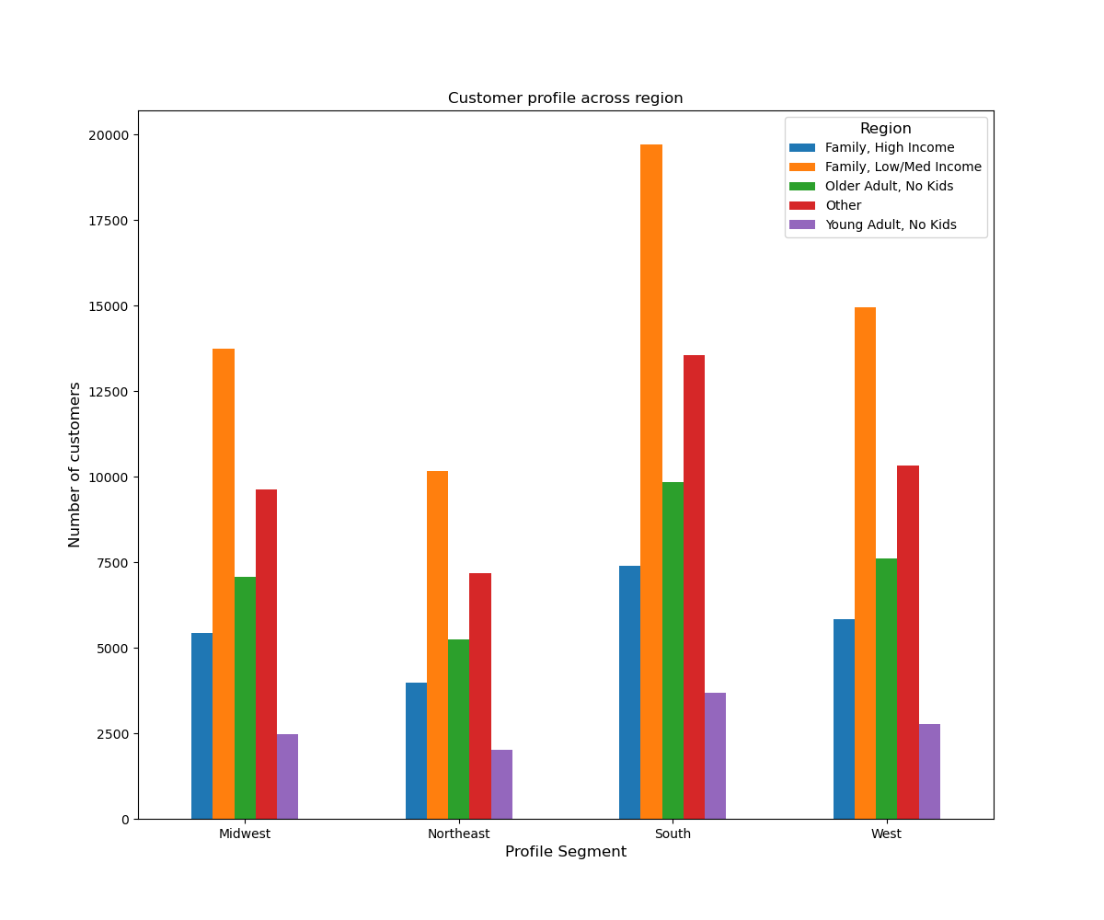
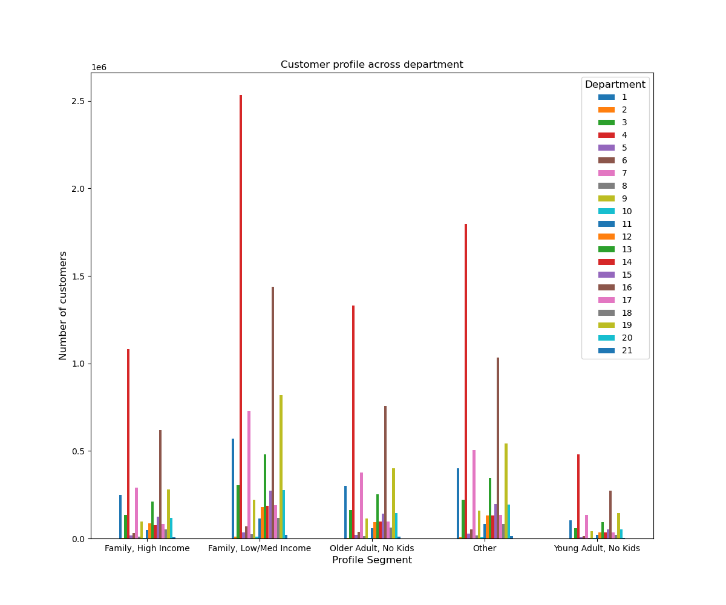
 |  |  | Title page

Visualisations

In this tab you should include all the visualtions from Exercises 4.9 and 4.10, alongside the questions from the project brief that they answer. Include any commentary on the relationship between different variables.

1. Busiest Day of the Week and hours of the day

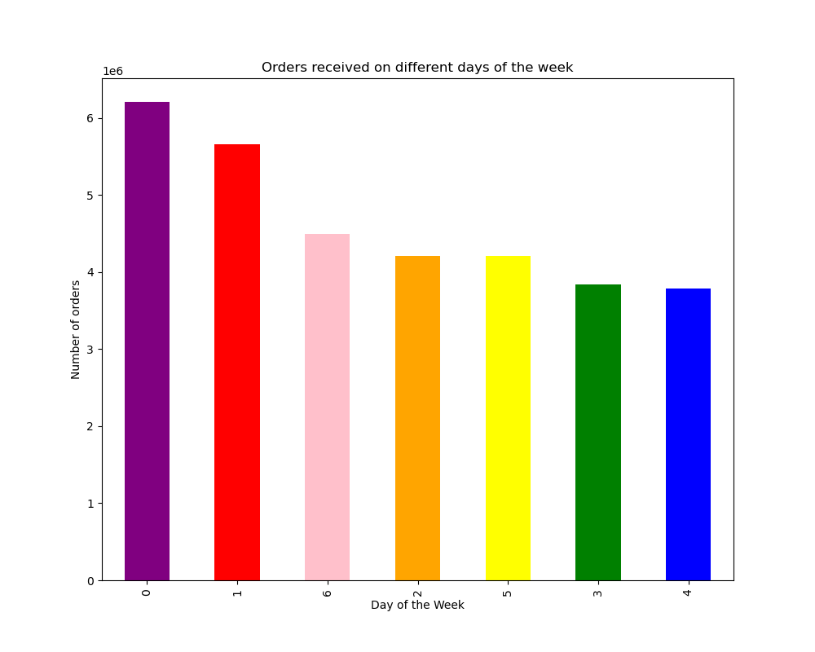
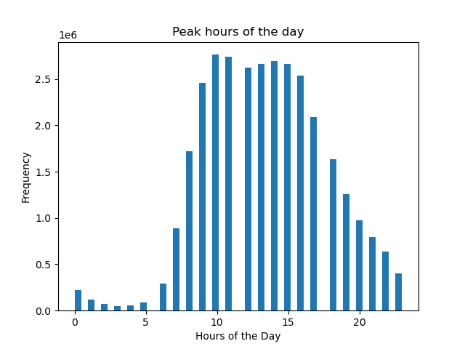
 | Saturday and Sunday are the busiest days of the week as shown in the bar Chart |  |  | The busiest hours of the day is between 8 to 17 hours

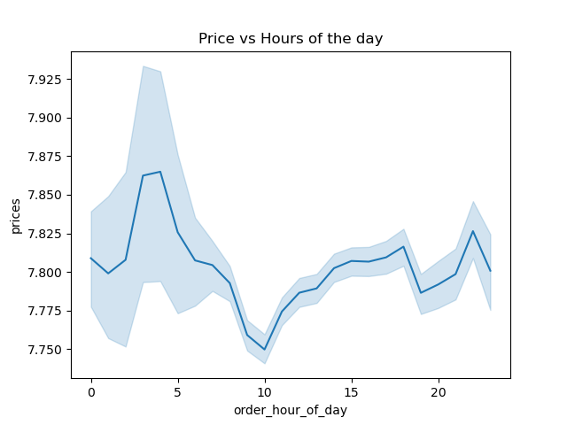
2. Hour of the day vs Price

3. Price Range Frequency



 | This chart shows the Price range distribution. The products that are cheaper are purchased more.

4. Spending habits based on customers loyalty status
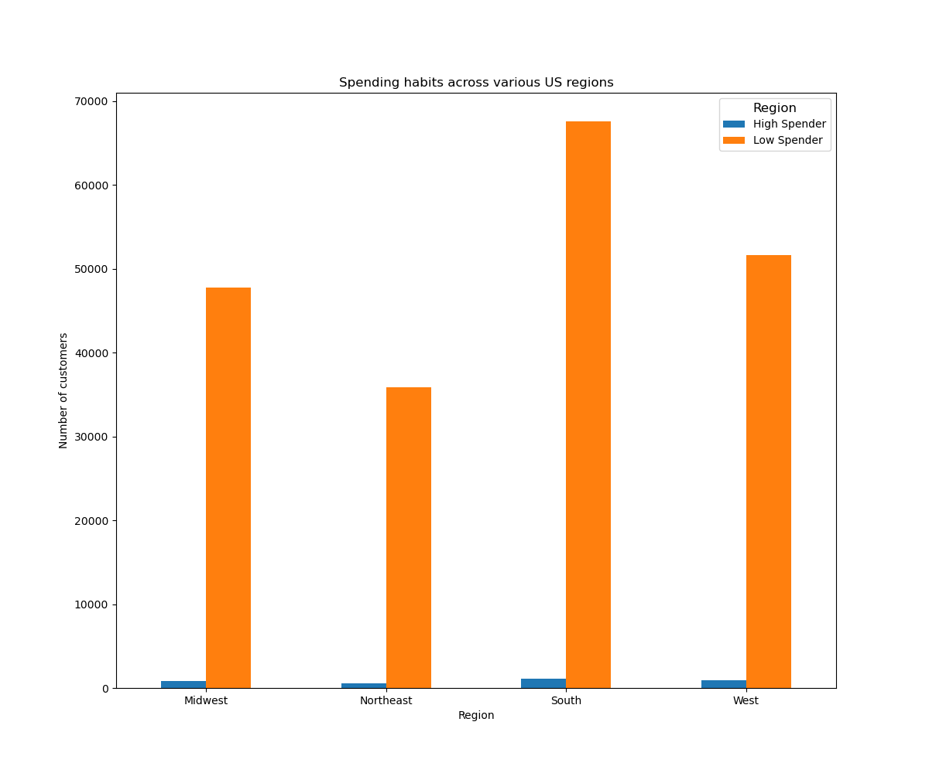

 | The Southern region has higher customers spending on Instacart, followed by West, Midwest and Northeast regions

5. Customers Profile distribution
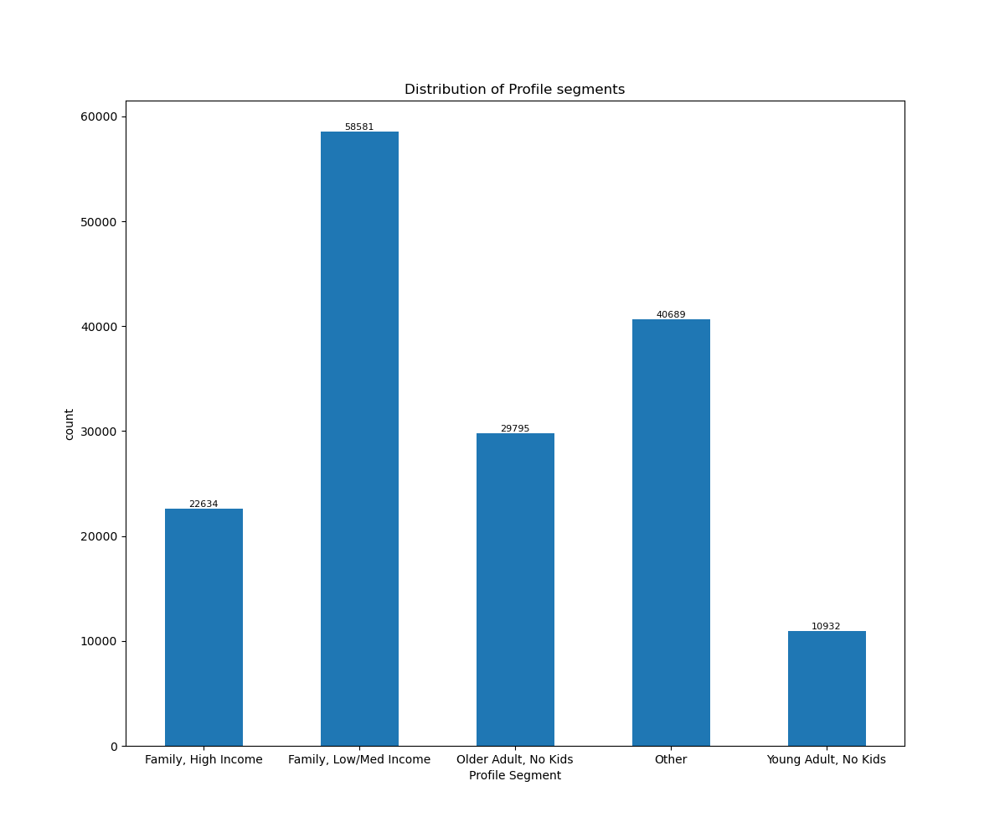

 | This chart shows the profiles of the customers using Instacart. Families with kids and with low/med income are using the Instacart popularly.

6. Age vs Ordering status

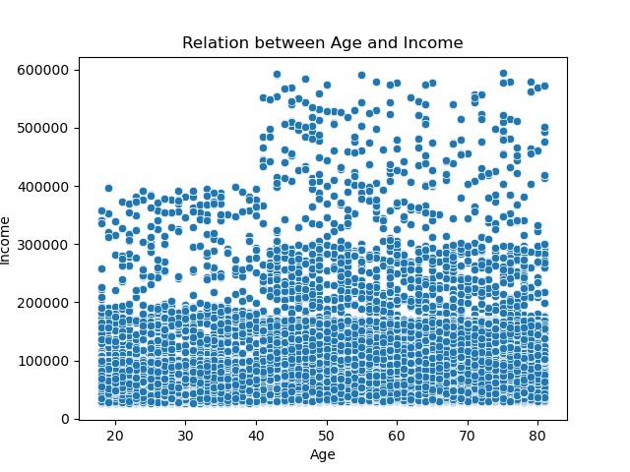

7. Customer Profile across Region |  | 8. Customer Profile across Departments

7. Recommendations
 |  |  | Title page

Recommendations

In this tab you should include any recommendations you would made to Instcart in terms of their marketing strategy based on the questions posed in the brief. Every key question has been covered in the Tasks of the Exercises - here you need to add an item - a visualisation or table/crosstable that is showing the answer in the data, acompanied by a comment from you. Please, list the questions below and add the answer underneath.

1. What’s the distribution among users in regards to their brand loyalty (i.e., how often do they return to Instacart)

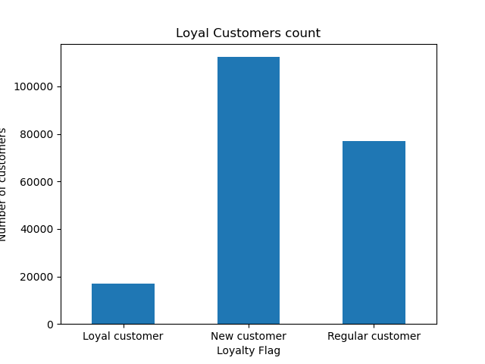

 | Most of the customers are new customers followed by regular and Loyal customers. Take steps to retain the new customers by creating a great start experience, Give smart recommendations, saved shoppig list, Flexible delivery window, maintain Engagement by email reminders, seasonal promotions etc

Are there differences in ordering habits based on a customer’s loyalty status

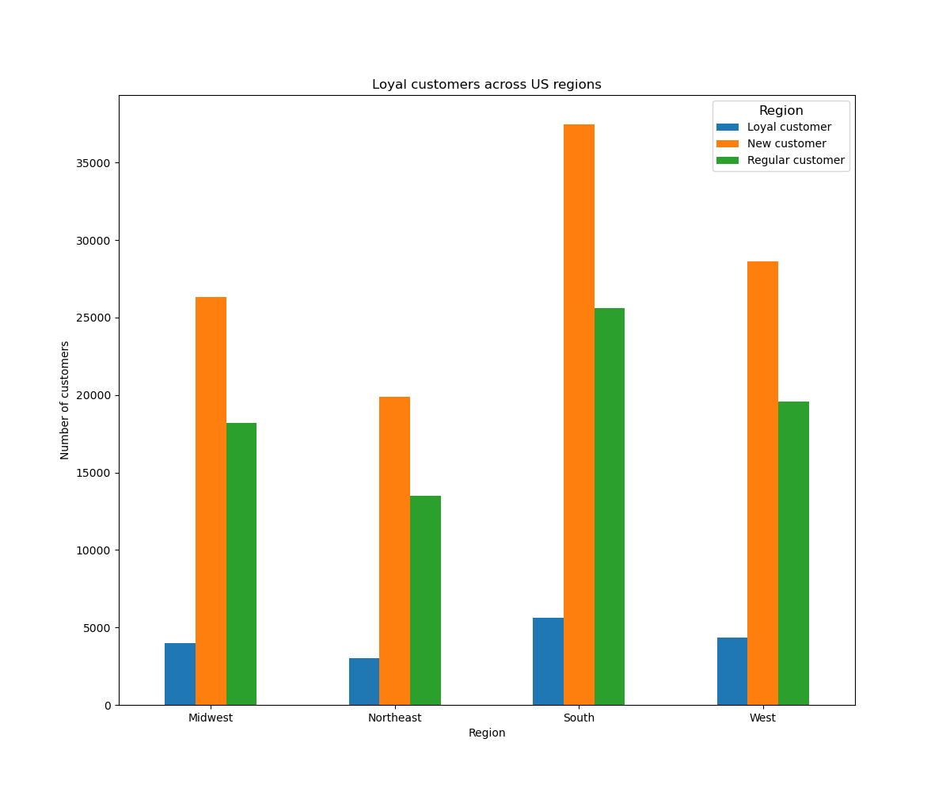

 | Southern Region has the highest loyal customers ,ordering the most in instacart, followed by western, midwestern and northeast regions. Develop region specific demand/supply strategies by partnering with the right local retailers and by building goos shopper network etc.

Are there differences in ordering habits based on a customer’s region

 | The southern region has the highest spending customers followed by Western , midwestern and Northeastern regions.

 | Develop region specific pricing strategies to mitigate the average difference in the spending behavior

Is there aconnection between age and family status in terms of ordering habits

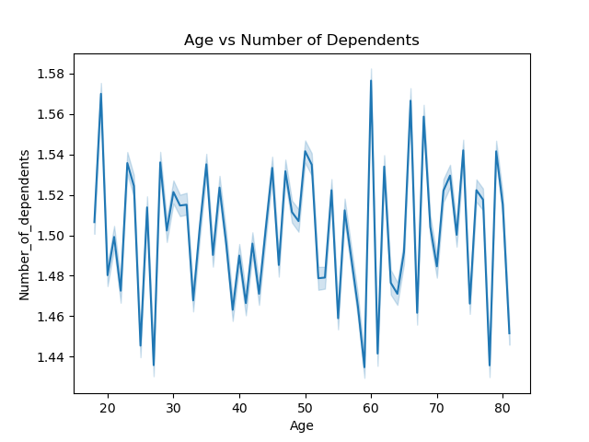

 |  | No conclusion could be derived from the relationship between the Age and Family status.

Department that generates the highest revenue and being mostly by the customers

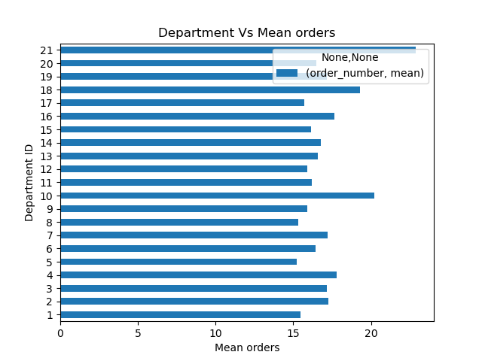

Customer Profile Distribution

 | Instacart has the highest number of ist customer in Families with low/med income group followed by Older Adults - No kids , Family with high income group, Yound Adults with no kids group. The families with low-med income are the high spenders in the southern region.

Is there relation between Age and income of the customers

 | There is a clear positive relation between the age and income of the customers. As the age increases the income of the customers also increases. Instacart can introduce/promote premium products to older Adults with high income range.

Peak hour of the day with highest orders

 | The peak hour of the day is from 7 to 17hrs. Instacart can plan its staffing, other system resources to handle the orders received during the peak hours to gain customers satisfaction.

Which days of the week are highest number of orders made

 | Saturday and Sunday are the two day that has the highest number of orders recieved. This would help Instacart to plan its resoures for the weekend activities.

